Validación Datos Dossier (F1)
Reporte
Año | Mes | Launch Period | OU | Innovation Sales | % Innovation Sales / Net Sales | Target $ | Target % | of FY
2021 | Marzo | 36 Meses | Sigma | $5,991,285.67 | 96.65%
2021 | Marzo | 36 Meses | México | $4,933,745.13 | 96.15% | $15,400,000.00 | 7.00% | 32.04%
2021 | Marzo | 36 Meses | Europa | $73,484.01 | 97.81% | $27,000,000.00 | 14.40% | 0.27%
2021 | Marzo | 36 Meses | USA | $548,472.46 | 96.18% | $6,600,000.00 | 5.50% | 8.31%
2021 | Marzo | 36 Meses | LATAM | $678,028.49 | 94.08% | $4,900,000.00 | 10.50% | 13.84%
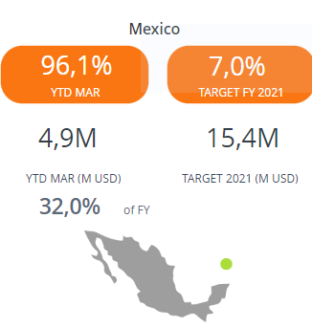
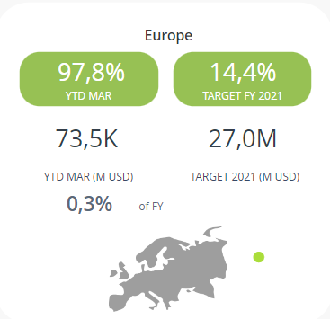
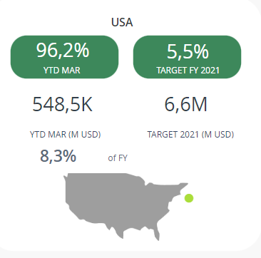
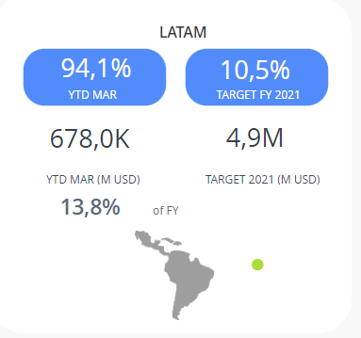
Dossier
Año | Mes | Launch Period | OU | Innovation Sales | % Innovation Sales / Net Sales | Target $ | Target % | of FY
2021 | Marzo | 36 Meses | Sigma | $ 6,0 M | 96.6%
2021 | Marzo | 36 Meses | México | $ 4,9 M | 96.1% | $ 15,4 M | 7% | 32%
2021 | Marzo | 36 Meses | Europa | $ 73,5 K | 97.8% | $ 27 M | 14.4% | 0.3%
2021 | Marzo | 36 Meses | USA | $ 548,5 K | 96.2% | $ 6,6 M | 5.5% | 8.3%
2021 | Marzo | 36 Meses | LATAM | $ 678 K | 94.1% | $ 4,9 M | 10.5% | 13.8%

Reporte
Año | Mes | Launch Period | OU | Innovation Sales | % Innovation Sales / Net Sales | Target $ | Target % | of FY
2021 | Mayo | 24 Meses | Sigma | $586,191.18 | 52.12%
2021 | Mayo | 24 Meses | México | -$464,215.80 | -75.74% | $10,800,000.00 | 5.00% | -4.30%
2021 | Mayo | 24 Meses | Europa | -$531,822.18 | -7873.95% | $12,100,000.00 | 6.50% | -4.40%
2021 | Mayo | 24 Meses | USA | -$482,387.94 | -858.52% | $2,000,000.00 | 1.70% | -24.12%
2021 | Mayo | 24 Meses | LATAM | -$480,799.51 | -832.17% | $2,200,000.00 | 4.50% | -21.85%
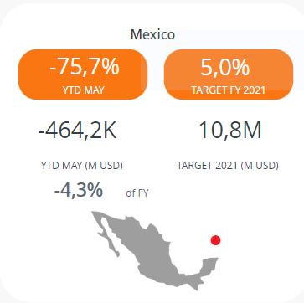
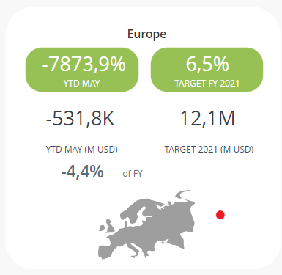
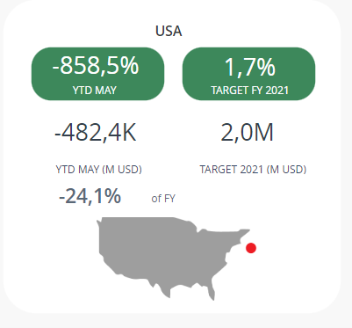
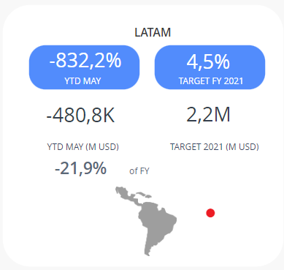
Dossier
Año | Mes | Launch Period | OU | Innovation Sales | % Innovation Sales / Net Sales | Target $ | Target % | of FY
2021 | Mayo | 24 Meses | Sigma | $ 586,2 K | 52.1%
2021 | Mayo | 24 Meses | México | $ -464,2 K | -75.7% | $ 10,8 M | 5.0% | -4.3%
2021 | Mayo | 24 Meses | Europa | $ -531,8 K | -7873.9% | $ 12,1 M | 6.5% | -4.4%
2021 | Mayo | 24 Meses | USA | $ -482,4 K | -858.5% | $ 2 M | 1.7% | -24.1%
2021 | Mayo | 24 Meses | LATAM | $ -480,8 K | -832.2% | $ 2,2 M | 4.5% | -21.9%

Reporte
Año | Mes | Launch Period | OU | Innovation Sales | % Innovation Sales / Net Sales | Target $ | Target % | of FY
2021 | Agosto | 12 Meses | Sigma | $32,061,471.88 | 100.00%
2021 | Agosto | 12 Meses | México | $14,376,972.20 | 100.00% | $9,000,000.00 | 4.20% | 159.74%
2021 | Agosto | 12 Meses | Europa | $24,860.94 | 100.00% | $6,800,000.00 | 3.40% | 0.37%
2021 | Agosto | 12 Meses | USA | $127,013.00 | 100.00% | $1,000,000.00 | 0.80% | 12.70%
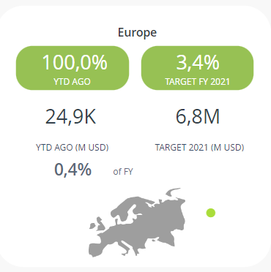
2021 | Agosto | 12 Meses | LATAM | $154,244.92 | 100.00% | $1,800,000.00 | 4.00% | 8.57%
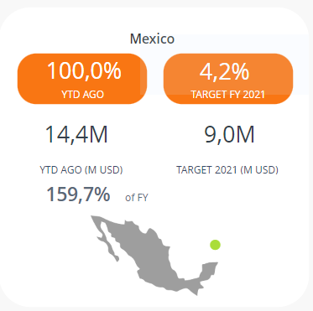
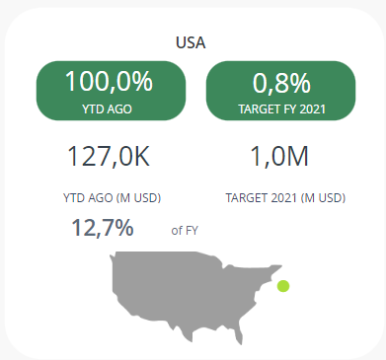
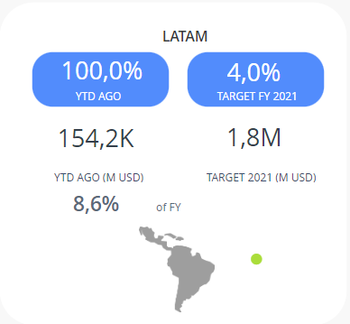
Dossier
Año | Mes | Launch Period | OU | Innovation Sales | % Innovation Sales / Net Sales | Target $ | Target % | of FY
2021 | Agosto | 12 Meses | Sigma | $ 3,1 M | 100%
2021 | Agosto | 12 Meses | México | $ 14,4 M | 100% | $ 9 M | 4.2% | 159.7%
2021 | Agosto | 12 Meses | Europa | $ 24,9 K | 100% | $ 6,8 M | 3.4% | 0.4%
2021 | Agosto | 12 Meses | USA | $ 127 K | 100% | $ 1 M | 0.8% | 12.7%
2021 | Agosto | 12 Meses | LATAM | $ 154,2 K | 100% | $ 1,8 M | 4.0% | 8.6%

